Budget Summary
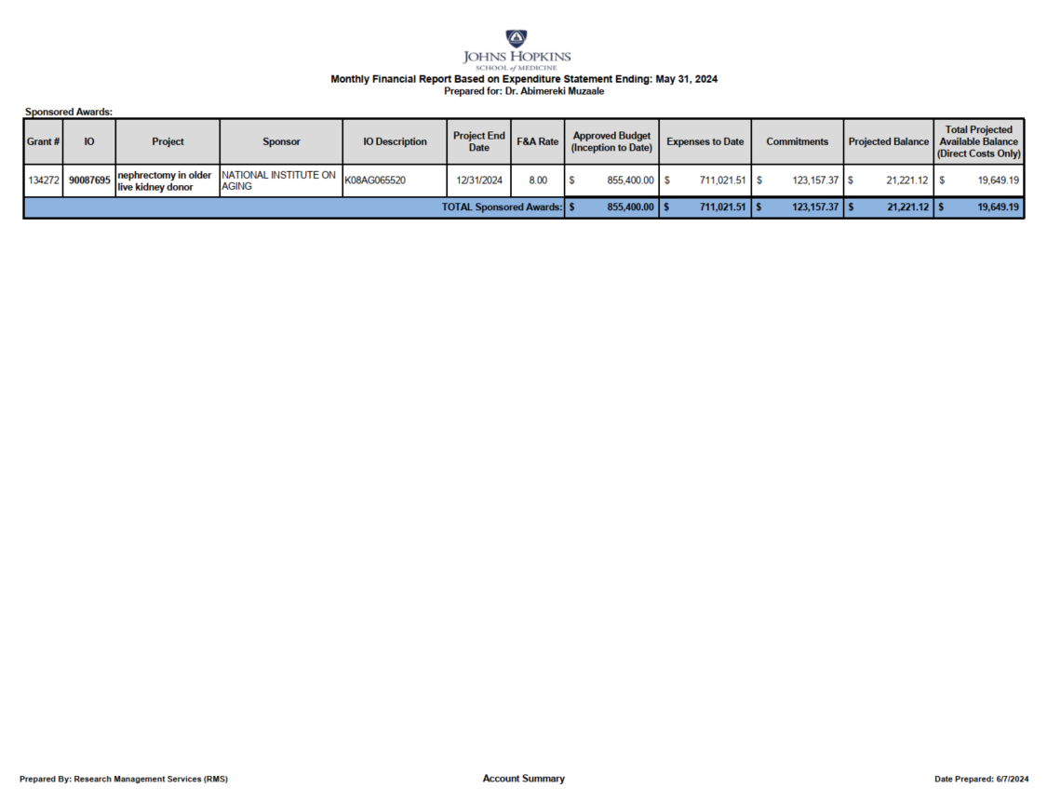

K08
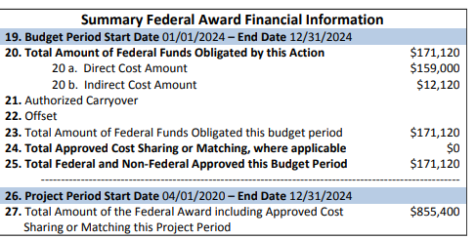
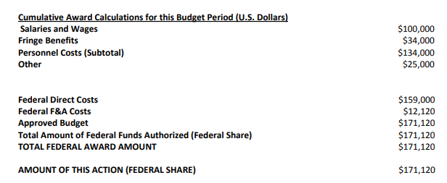
JHU Grant Number: | 134272
Internal Order Number: | 90087695
Internal Order Title: | K08AG065520
Sponsor Name: | National Institute on Aging
Project Title: | Perioperative and long-term risks following nephrectomy in older live kidney
Project Period: | 04/01/2020 - 12/31/2024
Budget Period: | 04/01/2020 - 12/31/2024 | Final Year
Indirect Costs Rate: | 8.00%
Billing Rule: | 1: RRB-Letter of Credit
Unexpended Balance: | Remit

Expenses
Sponsored Order | Sponsored Class | Current Budget | Expenses as of May 2024 | June 2024 Expenses | Total Expense | Commitments | Total Committed | Available Balance | Percent Utilized
90087695 : K08AG065520 | 610000 : Salaries & Wages | $500,000.00 | $404,169.59 | $5,493.33 | $409,662.92 | $80,012.13 | $489,675.05 | $10,324.95 | 98%
90087695 : K08AG065520 | 620000 : Fringe Benefits | $169,500.00 | $133,343.59 | $1,867.73 | $135,211.32 | $27,204.17 | $162,415.49 | $7,084.51 | 96%
90087695 : K08AG065520 | 630000 : Supplies & Materials | $- | $43,051.08 |  | $43,051.08 | $- | $43,051.08 | $(43,051.08)
90087695 : K08AG065520 | 642500 : Other Expenses | $124,760.00 | $15,136.44 |  | $15,136.44 | $- | $15,136.44 | $109,623.56 | 12%
90087695 : K08AG065520 | 643000 : Other Expenses Exclu | $- | $942.00 |  | $942.00 | $- | $942.00 | $(942.00)
90087695 : K08AG065520 | 652000 : Travel Domestic | $- | $1,857.22 |  | $1,857.22 | $- | $1,857.22 | $(1,857.22)
90087695 : K08AG065520 | 654004 : Tuition & Fees | $- | $50,823.00 |  | $50,823.00 | $- | $50,823.00 | $(50,823.00)
90087695 : K08AG065520 | 691500 : Service Center | $- | $12,864.50 |  | $12,864.50 | $- | $12,864.50 | $(12,864.50)
 | Total Direct Costs | $794,260.00 | $662,187.42 | $7,361.06 | $669,548.48 | $107,216.30 | $776,764.78 | $17,495.22 | 98%
 | 699999 : Facilities & Admin C | $61,140.00 | $48,834.09 | $588.89 | $49,422.98 | $8,577.30 | $58,000.28 | $3,139.72 | 95%
 | Overall Total | $855,400.00 | $711,021.51 | $7,949.95 | $718,971.46 | $115,793.60 | $834,765.06 | $20,634.94 | 98%

Percentage of Remaining Budget | 2%

Committed Salary
Sponsored Order | Employee | Begin Date | End Date | Per Pay Amount | Salary % | Effort %
90087695 : K08AG065520 | 77095 : Muzaale , Abimereki | 2024-01-01 | 2024-08-31 | $3,243.33 | 76.00% | 76.00%
90087695 : K08AG065520 | 77095 : Muzaale , Abimereki | 2024-09-01 | 2024-12-31 | $4,267.56 | 100.00% | 100.00%
90087695 : K08AG065520 | 361665 : Jin , Zhenghao | 2023-09-07 | 2024-06-30 | $2,250.00 | 100.00% | 100.00%
90087695 : K08AG065520 | 361665 : Jin , Zhenghao | 2024-07-01 | 2024-12-31 | $2,283.75 | 100.00% | 100.00%

Actual Non Personnel Expenses for Current Period
Sponsored Order | Sponsored Class | G/L Account | Posting date | FI Doc # | Reference Doc # | Vendor | Item Text |  |  | Amount
90087695 : K08AG065520 | 691500 : Service Center | TECHNOLOGY STORE | 05/28/2024 | # | 1402077205 | Not assigned | JH IT TECH STORE |  |  | $219.00
90087695 : K08AG065520 | 691500 : Service Center | TELECONFERENCING | 04/25/2024 | # | 1402067530 | Not assigned | ZOOM JH |  |  | $3.50
90087695 : K08AG065520 | 691500 : Service Center | TELECONFERENCING | 05/28/2024 | # | 1402077205 | Not assigned | ZOOM JH |  |  | $3.50
 |  |  |  |  |  |  |  |  | Total | $226.00

Notes:

